5. Declaration
Declaration by Head of Research Program/Unit

I declare that:
(i) The research activities noted on this form can only be done onsite and not remotely.
(ii) There is ethics approval (or an application in progress) for the projects listed on this form.
(iii) There is operational research approval (or an application in progress) for the projects listed on this form
(iv) All researchers and staff will abide by applicable COVID-19 safety protocols as defined by the health authority, in addition to any existing safety protocols.

ADD E-SIGNATURE

ADD TITLE

DATE

___________________________________________________________

8. Example Floor Plan
Summary of Spacing Pans for Floors (In order to expedite resumption approval porcess, units are encouraged to add a floor plan in this section, in which the spacing/safety plans are visualized. For assitance in drawing up the floor plan please contact your VCH or FoM Space Planner.)
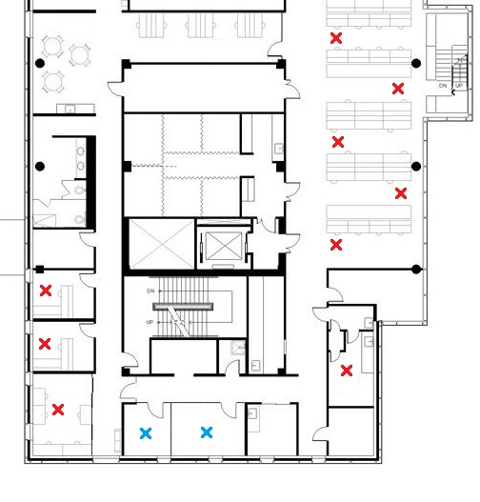 Example: [Please note, your floor plan does not have to be as detailed as the one in the example, but should at least include a plan of the rooms, hallways and stairways.] [Importantly, your floor plan only has to cover the section of the floor in which your particular unit operates. In cases where the space is shared by multiple units, please work with the other unit(s) when drawing up the spacing plan.] Spacing plan allows more than 2m between all individuals on site.

